Sheet1
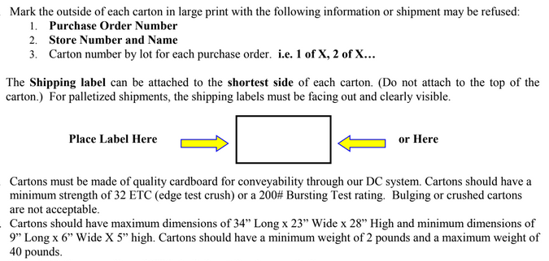
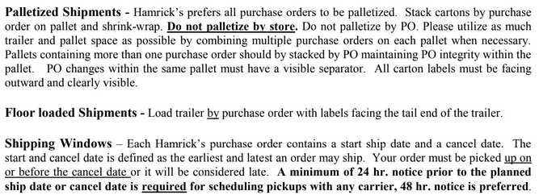
HAMRICKS

PICK TICKET CHECK LIST |  |  |  | PO# 263517
 |  |  |  | PT# 1757996 - 1758014
TICKETING

ROUTING |  |  | SHIP VIA: ROUTING

CARTON MARKING

PO # MUST BE ON ALL BOXES
STORE# and STORE NAME
STYLE
COLOR
QTY

CUSTOMER STYLE | OUR STYLE | QTY | PT #
PL0742TW | PL0742TW | 96 | 1763587
PL1407NL | PL1407NL | 288 | 1763587
PL1430NL | PL1430NL | 240 | 1763587
PL1564NL | PL1564NL | 180 | 1763587
PL1565NL | PL1565NL | 180 | 1763587
PL1694NL-42 | PL1694NL-42 | 240 | 1763587
PL1696NL-42 | PL1696NL-42 | 108 | 1763587
PL1701NL-42 | PL1701NL-42 | 288 | 1763587
PL1812NL-42 | PL1812NL-42 | 108 | 1763587
PL1920NW-42 | PL1920NW-42 | 288 | 1763587
PL1922NW-42 | PL1922NW-42 | 144 | 1763587
PL1926NW-42 | PL1926NW-42 | 288 | 1763587
PL1928NW-42 | PL1928NW-42 | 144 | 1763587
PL1975NL-42 | PL1975NL-42 | 144 | 1763587
PL1976NL-42 | PL1976NL-42 | 144 | 1763587
PL1977NL-42 | PL1977NL-42 | 144 | 1763587
PL1978NL-42 | PL1978NL-42 | 144 | 1763587
PL1979NL-42 | PL1979NL-42 | 144 | 1763587
PL1980NL-42 | PL1980NL-42 | 144 | 1763587

 |  | 3456

